Head
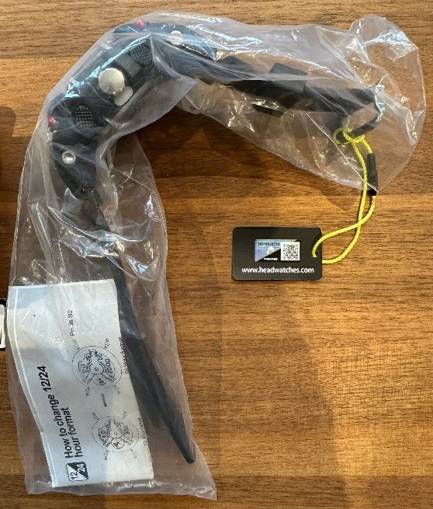
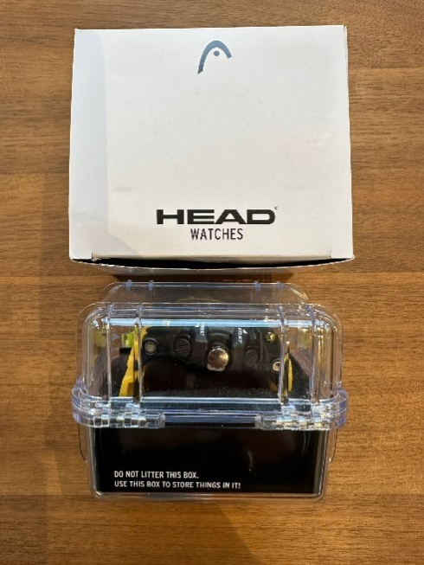
Picture | SKU | EAN | Description | RRP |  | Inventory | total RRP
 | H140100 | 4005420914537 | MONTREAL 49mm | 59.90 € |  | 790 | 47,321.00 €
 | H140101 | 4005420914544 | MONTREAL 49mm | 59.90 € |  | 501 | 30,009.90 €
 | H140102 | 4005420914551 | MONTREAL 49mm | 59.90 € |  | 452 | 27,074.80 €
 | H140103 | 4005420914568 | MONTREAL 49mm | 59.90 € |  | 418 | 25,038.20 €
 | H140104 | 4005420914575 | MONTREAL 49mm | 59.90 € |  | 490 | 29,351.00 €
 | H140201 | 4005420914698 | SIDNEY 55mm | 59.90 € |  | 310 | 18,569.00 €
 | H140202 | 4005420914704 | SIDNEY 55mm | 59.90 € |  | 256 | 15,334.40 €
 | H140203 | 4005420914711 | SIDNEY 55mm | 59.90 € |  | 314 | 18,808.60 €
 | H140300 | 4005420914728 | TOKYO 38mm | 49.90 € |  | 484 | 24,151.60 €
 | H140301 | 4005420914735 | TOKYO 38mm | 49.90 € |  | 543 | 27,095.70 €
 | H140302 | 4005420914742 | TOKYO 38mm | 49.90 € |  | 516 | 25,748.40 €
 | H140303 | 4005420914759 | TOKYO 38mm | 49.90 € |  | 423 | 21,107.70 €
 | H140304 | 4005420914766 | TOKYO 38mm | 49.90 € |  | 478 | 23,852.20 €
 | H140305 | 4005420915183 | TOKYO 38mm | 49.90 € |  | 456 | 22,754.40 €
TOTAL |  |  | AVG. RRP | 55.39 € |  | 6,431 | 356,216.90 €

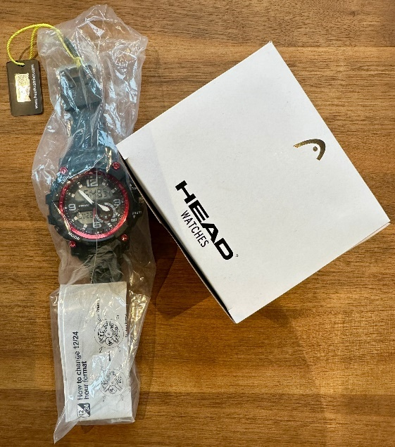
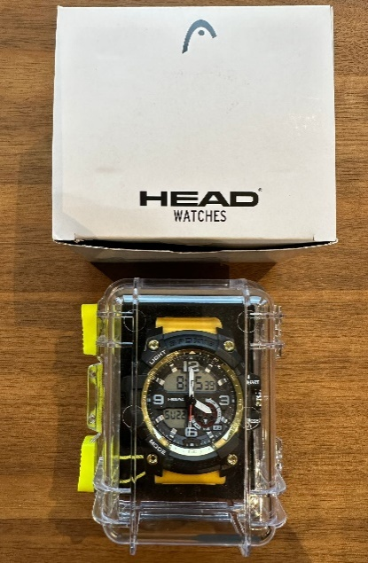 |  |  |  |  | 